List
Yalla Kora App
Bugs
Title | Steps | Actual result | Device | Network | Severity | Priority | Attachment
Your Teams Tab - When Open Your Teams Tab the Application crashed and closed after adding more than 10 teams to the fav teams | 1) Open Yala Kora App 2) Open Your Teams Tab 3) Add more than 10 fav teams | Application Crashed and closed as logged added in attachment | Iphone XS Iphone 11 Pro | Wifi 4G | 1 | 1 | {"app_name":"Yallakora","timestamp":"2021-04-14 11:38:44.00 +0200","app_version":"5.41","slice_uuid":"15bf09c1-a0a7-3734-95c6-18a81f713a23","adam_id":377713182,"build_version":"1","platform":2,"bundleID":"com.MobileTech.www","share_with_app_devs":1,"is_first_party":0,"bug_type":"109","os_version":"iPhone OS 14.4.2 (18D70)","incident_id":"8399D4C8-DCBD-4C5E-AB67-C18F5D4EE2FD","name":"Yallakora"} Incident Identifier: 8399D4C8-DCBD-4C5E-AB67-C18F5D4EE2FD CrashReporter Key: c521cf3e1f4816209df7fa50e9f6d90b55ac6547 Hardware Model: iPhone11,2 Process: Yallakora [760] Path: /private/var/containers/Bundle/Application/1CE839AA-C90D-443F-AB59-72AAC95B02EC/Yallakora.app/Yallakora Identifier: com.MobileTech.www Version: 1 (5.41) AppStoreTools: 12D4d AppVariant: 1:iPhone11,2:13 Code Type: ARM-64 (Native) Role: Foreground Parent Process: launchd [1] Coalition: com.MobileTech.www [414] Date/Time: 2021-04-14 11:38:43.6259 +0200 Launch Time: 2021-04-14 11:38:24.1639 +0200 OS Version: iPhone OS 14.4.2 (18D70) Release Type: User Baseband Version: 3.02.02 Report Version: 104 Exception Type: EXC_CRASH (SIGABRT) Exception Codes: 0x0000000000000000, 0x0000000000000000 Exception Note: EXC_CORPSE_NOTIFY Triggered by Thread: 2 Application Specific Information: abort() called Last Exception Backtrace: (0x18e20986c 0x1a3222c50 0x104a450ec 0x104ac1b20 0x104ac2558 0x18e20e8f4 0x18e0e5df8 0x18e0e63cc 0x104a752c8 0x104a7745c 0x104a771c0 0x18ddfc24c 0x18ddfddb0 0x18de0510c 0x18de05c5c 0x18de0fd78 0x1d9cb5814 0x1d9cbc76c) Thread 0 name: Dispatch queue: com.apple.main-thread Thread 0: 0 libsystem_kernel.dylib 0x00000001bc1352d0 0x1bc131000 + 17104 1 libsystem_kernel.dylib 0x00000001bc134660 0x1bc131000 + 13920 2 CoreFoundation 0x000000018e184c30 0x18e0e4000 + 658480
Matches - Calender not Closed | 1) Open Yala Kora App 2) Open Matches Tab 3) Open Calender from Up right side 4) Try to close the Calender without selecting a date | Calender is not Closed , you must select date to close the Calender popup | Iphone XS Iphone 11 Pro | Wifi 4G | 2 | 2 | 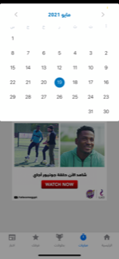
Matches - Calender days should be in arabic s | 1) Open Yala Kora App 2) Open Matches Tab 3) Open Calender from Up right side 4) Check days | all days and year value should be in Arabic to be matching with the calender month and days values (in arabic) and that the whole application is in Arabic | Iphone XS Iphone 11 Pro | Wifi 4G | 2 | 3 | Note
Long Teams names are replaced with dots | 1) Open Yala Kora App 2) Open Champoins Tab 3) Open UEFA Champoins Leage 4) Check Teams names | Long teams names are replaced with dots and there is noway to get the full name as attached | Iphone XS Iphone 11 Pro | Wifi 4G | 1 | 2 | 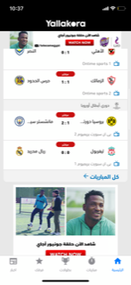
Your Teams Tab - The scroll affect in Champions and Teams page in the same Time | 1) Open Yala Kora App 2) Open Your Teams Tab 3) Click to add your favourite teams 4)Open for example (دوري أبطال اوروبا ) 5) Scroll down to the End of the page 6) Click back | will return to chamopins page scrolled down to the End | Iphone XS Iphone 11 Pro | Iphone XS Iphone 11 Pro | 3 | 3 | 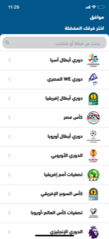 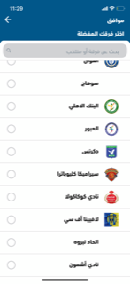 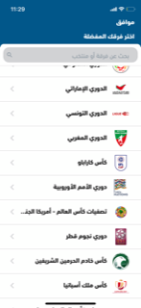
Matches - All All Matches. Popup need to be adjusted | 1) Open Yala Kora App 2) Open Matches Tab 3) Open All matches popup | Popup should be opened in the same place of the All matches button exist , but it is opened in the top of the page | Iphone XS Iphone 11 Pro | Iphone XS Iphone 11 Pro | 3 | 3 | 